Dose calculator
VANCOMYCIN DOSE CALCULATOR FOR ADULT PATIENTS

Produced by: NHS Lothian AMT (Using GG&C Template designed by A.Thomson)
Contact: loth.antimicrobialstewardship@nhs.scot Version 4.2 2024

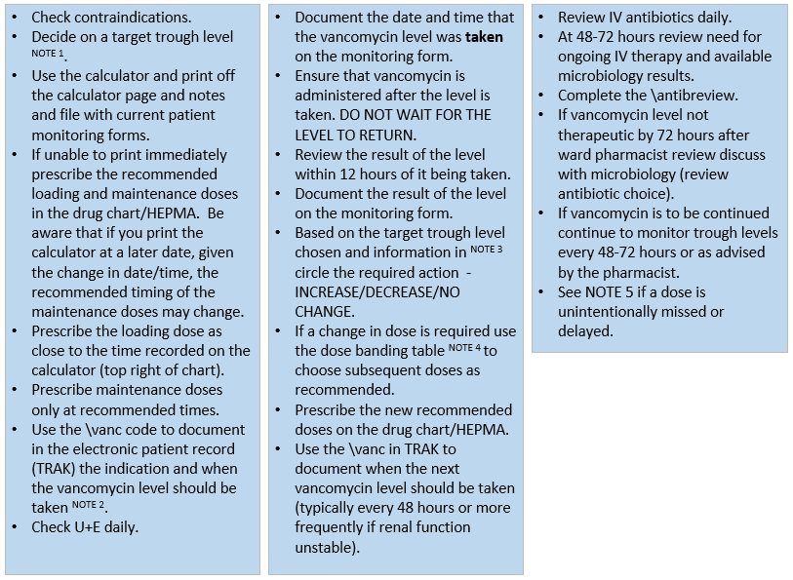
ENTER DETAILS IN BLUE BOXES |  | STAT LOADING DOSE date & time: |  | 2/13/26
Fields marked * are mandatory; height can be recorded in either cm or feet & inches. |  | If loading dose is calculated as lower than maintenance dose then give the maintenance dose as a loading dose instead.
Patient name* |  | Loading dose
Patient CHI* |  | Volume
Indication |  | Duration of infusion
Planned duration |  | Rate
Target trough levels* Select either 10-15 or 15-20. See Note 1. | 0 | REGULAR VANCOMYCIN IV MAINTENANCE DOSE
Age* (years) | 0 | Mode of administration | intermittent infusion
Height* (cm) |  | Time of first maintenance dose
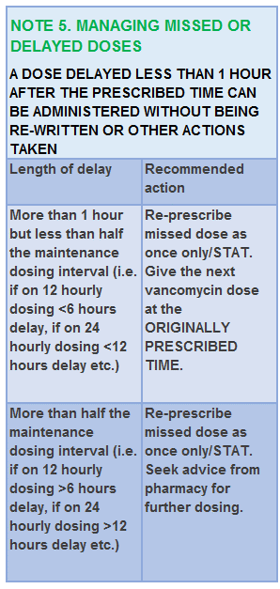
OR Height* (feet) |  | Maintenance dose
(inches) | 0 | Volume
Actual Body Weight* (kg) | 0 | Duration of infusion
Sex* Select either Male or Female from drop-down list. | 0 | Rate
Creatinine* (μmol/L) | 0 | Dosage interval
Creatinine CL (ml/min) | 0 | PHARMACY CHECK (Signature/Date)
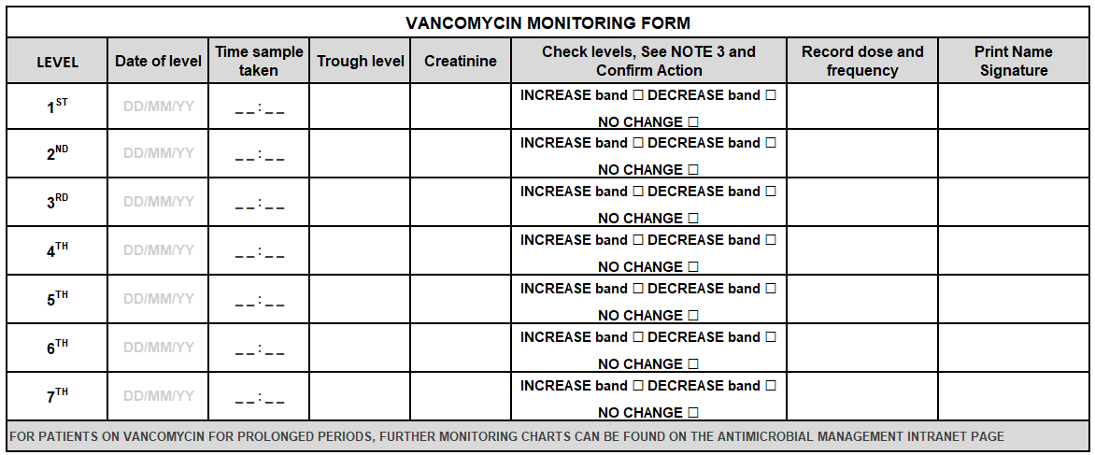
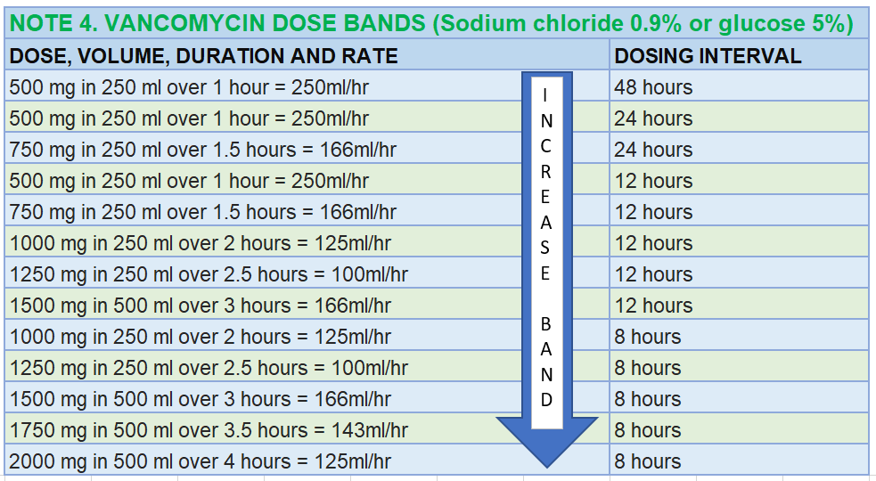

 |  |  |  |  | 2026-02-13 13:35:17
 |  |  |  |  | 2026-02-13 13:35:17
 |  |  |  |  | 2026-02-13 13:35:17
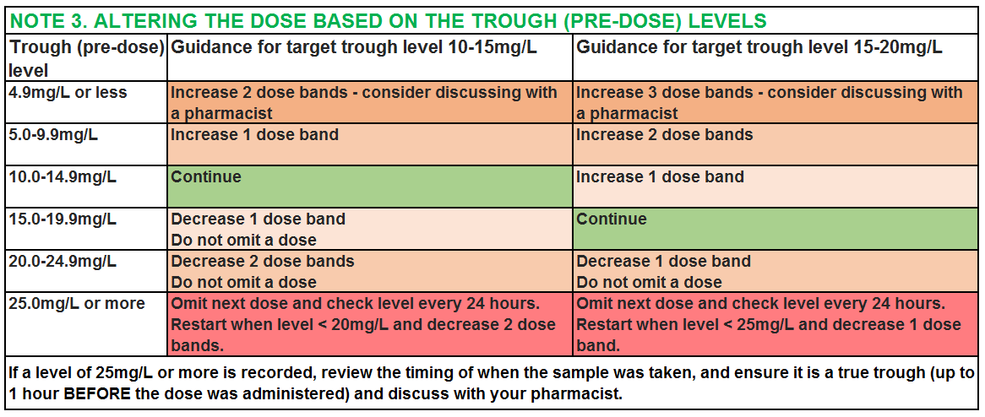
 |  |  |  |  | 2026-02-13 13:35:17
 |  |  |  |  | 2026-02-13 13:35:17
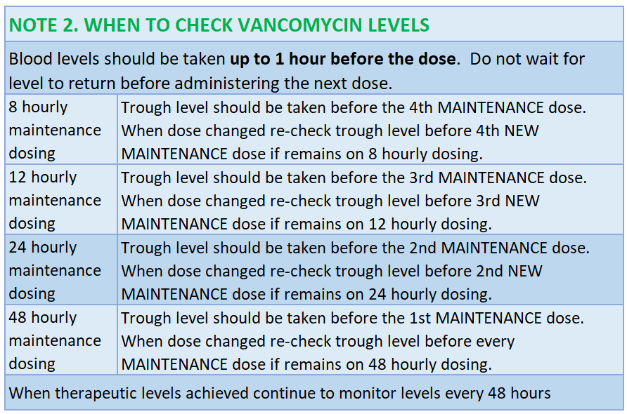
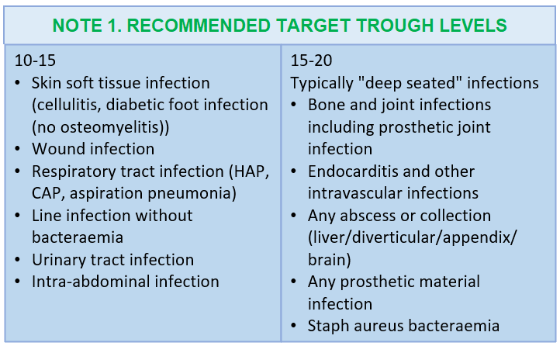

CLICK HERE FOR ANTIMICROBIAL GUIDELINES

